Sheet1
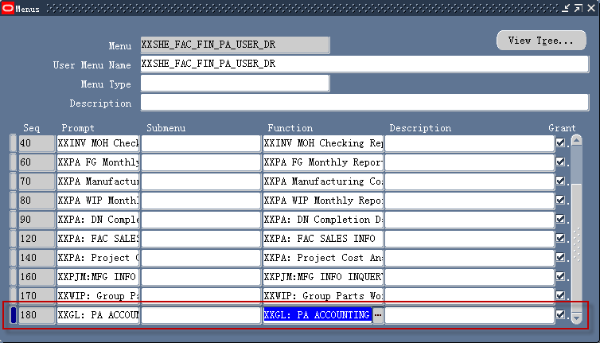
Function Define

 | Function | User Function Name | Description | Type | Form | Parameters | HTML Call
 | XXDIS_XXGLPAAC_SHE | XXGL: PA ACCOUNTING CHECK(SHE) | XXGL: PA ACCOUNTING CHECK | SSWA jsp function |  | mode=DISCO&workbook=XXGL_PA_ACCOUNT_CHECKSHE | OracleOasis.jsp

Get workbook Identifier
 | workbook=XXGL_PA_ACCOUNT_CHECKSHE

 | Path : Oracle Discoverer Desktop -> File -> Manage Workbooks -> Properties
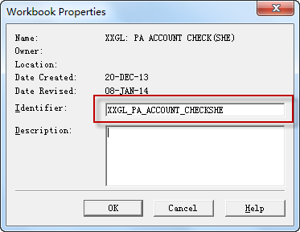
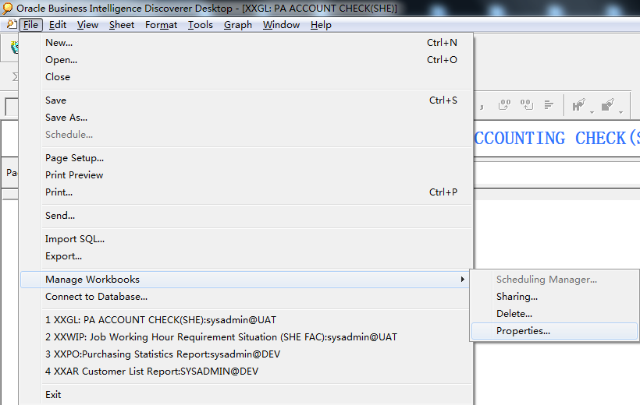

Add Function to Menu

